Trigger PCB Connector
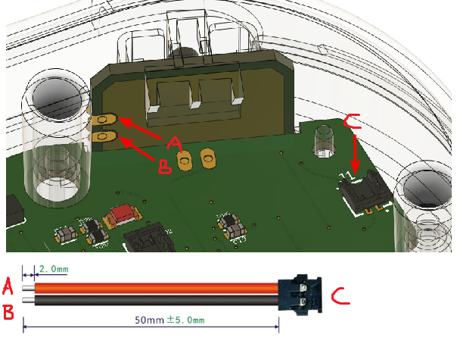
Each trigger PCB needs a wired connector. Connector is non-polar.

LED Orientation
